Bank Recon
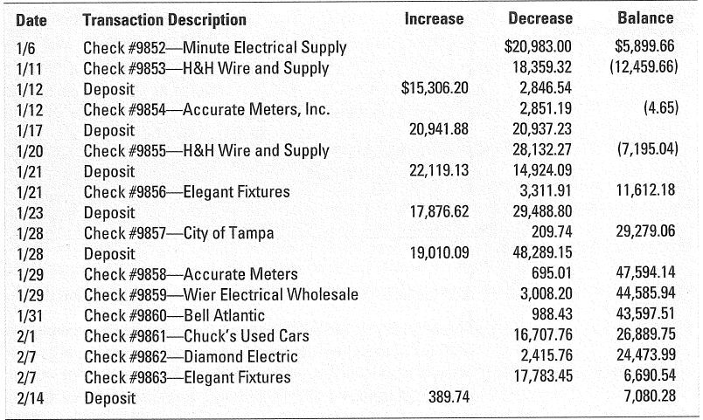
Directions: Complete the Bank Reconciliation - Bank is on the top and Check Register is on the bottom
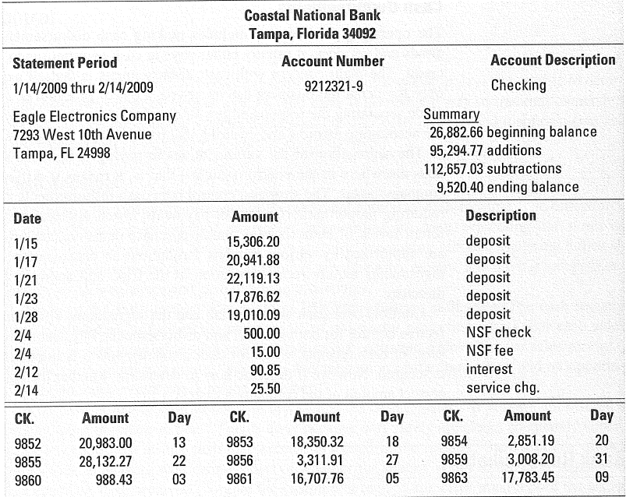
Eagle Electronics Company
Bank Reconciliation

Balance per Bank |  |  |  | Balance per Books
Add: | Deposits in Transit |  |  | Add: | Interest Earned
 | Error | 50.00 | 50.00 |  | Error

Deduct: | Outstanding Checks |  |  | Deduct: | Service Charge
Adjusted Balance per Bank |  |  |  | NSF Check
 |  |  |  | NSF Check Fee

 |  |  |  | Adjusted Balance per Books

